Calculations
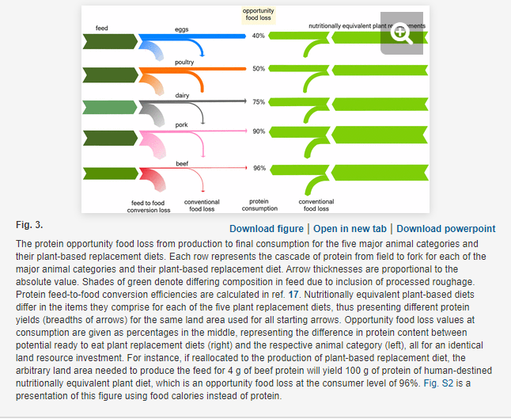
Product | Opportunity food loss (%) | Calculated ratio of plant-based protein output to animal protein output per land area | Pounds of animal products produced | Weighted average ratio
Eggs | 40 | 1.7 | 87875000 | 7.980112099
Poultry | 50 | 2 | 0
Dairy | 75 | 4 | 2,394,966,049
Pork | 90 | 10 | 2201000
Beef | 96 | 25 | 592400000

